Hoja2
Publisher | Nintendo
Global SAles YoR
Etiquetas de fila | Suma de Global_Sales
1983 | 10.96
1984 | 45.56
1985 | 49.95
1986 | 16.18
1987 | 11.95
1988 | 36.44
1989 | 63.88
1990 | 35.49
1991 | 15.97
1992 | 38.11
1993 | 20.04
1994 | 24.99
1995 | 16.72
1996 | 73.7
1997 | 25.8
1998 | 48.41
1999 | 65.33
2000 | 34.05
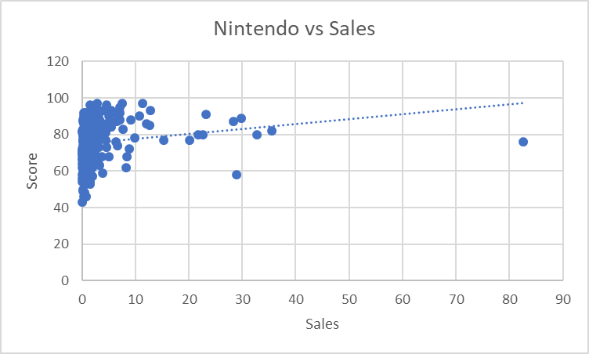
2001 | 45.37
2002 | 48.31
2003 | 38.14
2004 | 60.52
2005 | 126.69
2006 | 204.42
2007 | 103.09
2008 | 90.01
2009 | 127.39
2010 | 59.74
2011 | 51.69
2012 | 56.11
2013 | 53.48
2014 | 48.88
2015 | 27.61
2016 | 11.74
N/A | 2.09
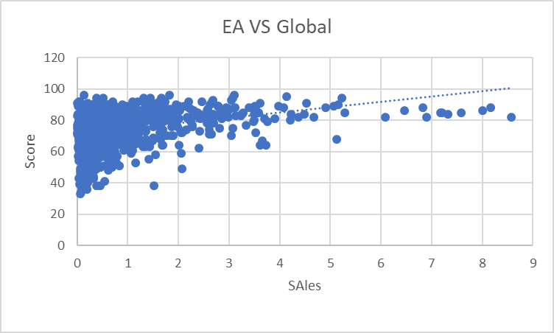
Total general | 1788.81

Video_Games_Sales_as_at_22_Dec_
Name | Platform | Year_of_Release | Genre | Publisher | NA_Sales | EU_Sales | JP_Sales | Other_Sales | Global_Sales | Critic_Score | Critic_Count | User_Score | User_Count | Developer | Rating
Wii Sports | Wii | 2006 | Sports | Nintendo | 41.36 | 28.96 | 3.77 | 8.45 | 82.53 | 76 | 51 | 8 | 322 | Nintendo | E
Mario Kart Wii | Wii | 2008 | Racing | Nintendo | 15.68 | 12.76 | 3.79 | 3.29 | 35.52 | 82 | 73 | 8.3 | 709 | Nintendo | E
Wii Sports Resort | Wii | 2009 | Sports | Nintendo | 15.61 | 10.93 | 3.28 | 2.95 | 32.77 | 80 | 73 | 8 | 192 | Nintendo | E
New Super Mario Bros. | DS | 2006 | Platform | Nintendo | 11.28 | 9.14 | 6.5 | 2.88 | 29.8 | 89 | 65 | 8.5 | 431 | Nintendo | E
Wii Play | Wii | 2006 | Misc | Nintendo | 13.96 | 9.18 | 2.93 | 2.84 | 28.92 | 58 | 41 | 6.6 | 129 | Nintendo | E
New Super Mario Bros. Wii | Wii | 2009 | Platform | Nintendo | 14.44 | 6.94 | 4.7 | 2.24 | 28.32 | 87 | 80 | 8.4 | 594 | Nintendo | E
Mario Kart DS | DS | 2005 | Racing | Nintendo | 9.71 | 7.47 | 4.13 | 1.9 | 23.21 | 91 | 64 | 8.6 | 464 | Nintendo | E
Wii Fit | Wii | 2007 | Sports | Nintendo | 8.92 | 8.03 | 3.6 | 2.15 | 22.7 | 80 | 63 | 7.7 | 146 | Nintendo | E
Wii Fit Plus | Wii | 2009 | Sports | Nintendo | 9.01 | 8.49 | 2.53 | 1.77 | 21.79 | 80 | 33 | 7.4 | 52 | Nintendo | E
Brain Age: Train Your Brain in Minutes a Day | DS | 2005 | Misc | Nintendo | 4.74 | 9.2 | 4.16 | 2.04 | 20.15 | 77 | 58 | 7.9 | 50 | Nintendo | E
Brain Age 2: More Training in Minutes a Day | DS | 2005 | Puzzle | Nintendo | 3.43 | 5.35 | 5.32 | 1.18 | 15.29 | 77 | 37 | 7.1 | 19 | Nintendo | E
Super Smash Bros. Brawl | Wii | 2008 | Fighting | Nintendo | 6.62 | 2.55 | 2.66 | 1.01 | 12.84 | 93 | 81 | 8.9 | 1662 | Game Arts | T
Mario Kart 7 | 3DS | 2011 | Racing | Nintendo | 5.03 | 4.02 | 2.69 | 0.91 | 12.66 | 85 | 73 | 8.2 | 632 | Retro Studios, Entertainment Analysis & Development Division | E
Animal Crossing: Wild World | DS | 2005 | Simulation | Nintendo | 2.5 | 3.45 | 5.33 | 0.86 | 12.13 | 86 | 57 | 8.7 | 242 | Nintendo | E
Super Mario Galaxy | Wii | 2007 | Platform | Nintendo | 6.06 | 3.35 | 1.2 | 0.74 | 11.35 | 97 | 73 | 8.9 | 2147 | Nintendo | E
Super Mario 3D Land | 3DS | 2011 | Platform | Nintendo | 4.89 | 3 | 2.14 | 0.78 | 10.81 | 90 | 82 | 8.4 | 921 | Nintendo | E
New Super Mario Bros. 2 | 3DS | 2012 | Platform | Nintendo | 3.66 | 3.14 | 2.47 | 0.63 | 9.9 | 78 | 70 | 7.2 | 424 | Nintendo | E
Animal Crossing: New Leaf | 3DS | 2012 | Simulation | Nintendo | 2.03 | 2.36 | 4.39 | 0.39 | 9.16 | 88 | 70 | 8.7 | 626 | Nintendo | E
Mario Party DS | DS | 2007 | Misc | Nintendo | 4.4 | 1.85 | 1.98 | 0.68 | 8.91 | 72 | 27 | 7.8 | 85 | Hudson Soft | E
Wii Party | Wii | 2010 | Misc | Nintendo | 1.75 | 3.47 | 2.49 | 0.67 | 8.38 | 68 | 42 | 7.4 | 54 | Nd Cube | E
Mario Party 8 | Wii | 2007 | Misc | Nintendo | 3.74 | 2.24 | 1.58 | 0.7 | 8.27 | 62 | 41 | 6.3 | 190 | Hudson | E
PokÃ©mon Platinum Version | DS | 2008 | Role-Playing | Nintendo | 2.76 | 1.72 | 2.69 | 0.54 | 7.72 | 83 | 46 | 8.5 | 203 | Game Freak | E
Super Mario Galaxy 2 | Wii | 2010 | Platform | Nintendo | 3.56 | 2.35 | 0.98 | 0.62 | 7.51 | 97 | 87 | 9.1 | 1854 | Nintendo EAD Tokyo | E
The Legend of Zelda: Twilight Princess | Wii | 2006 | Action | Nintendo | 3.74 | 2.14 | 0.6 | 0.68 | 7.15 | 95 | 73 | 9 | 1658 | Nintendo | T
Mario Kart 8 | WiiU | 2014 | Racing | Nintendo | 3.15 | 2.15 | 1.28 | 0.51 | 7.09 | 88 | 82 | 9.1 | 1599 | Nintendo | E
Super Smash Bros. Melee | GC | 2001 | Fighting | Nintendo | 4.41 | 1.04 | 1.39 | 0.22 | 7.07 | 92 | 38 | 9.1 | 568 | HAL Labs | T
Big Brain Academy | DS | 2005 | Misc | Nintendo | 1.66 | 2.75 | 1.6 | 0.62 | 6.62 | 74 | 45 | 7.4 | 27 | Nintendo | E
Donkey Kong Country Returns | Wii | 2010 | Platform | Nintendo | 3.17 | 1.79 | 1.03 | 0.46 | 6.44 | 87 | 77 | 8.6 | 368 | Retro Studios | E
PokÃ©mon Emerald Version | GBA | 2004 | Role-Playing | Nintendo | 2.57 | 1.58 | 2.06 | 0.21 | 6.41 | 76 | 28 | 9 | 222 | Game Freak | E
Super Mario Sunshine | GC | 2002 | Platform | Nintendo | 4.01 | 1.26 | 0.87 | 0.17 | 6.31 | 92 | 61 | 8.6 | 439 | Nintendo | E
Dragon Quest IX: Sentinels of the Starry Skies | DS | 2009 | Role-Playing | Nintendo | 0.63 | 0.67 | 4.35 | 0.15 | 5.78 | 87 | 65 | 8.8 | 197 | Level 5 | E10+
Super Mario Advance | GBA | 2001 | Platform | Nintendo | 3.14 | 1.24 | 0.91 | 0.2 | 5.49 | 84 | 19 | 7.8 | 41 | Nintendo | E
Mario Kart: Super Circuit | GBA | 2001 | Racing | Nintendo | 2.62 | 1.64 | 0.99 | 0.23 | 5.47 | 93 | 24 | 8.3 | 108 | Intelligent Systems | E
New Super Mario Bros. U | WiiU | 2012 | Platform | Nintendo | 2.3 | 1.34 | 1.27 | 0.32 | 5.22 | 84 | 70 | 8.1 | 733 | Nintendo | E
Professor Layton and the Curious Village | DS | 2007 | Puzzle | Nintendo | 1.21 | 2.43 | 1.03 | 0.52 | 5.19 | 85 | 72 | 8.6 | 147 | Level 5 | E
The Legend of Zelda: Phantom Hourglass | DS | 2007 | Action | Nintendo | 1.85 | 1.8 | 0.95 | 0.48 | 5.08 | 90 | 57 | 8 | 416 | Nintendo | E
Link's Crossbow Training | Wii | 2007 | Shooter | Nintendo | 3.05 | 1.17 | 0.29 | 0.46 | 4.98 | 68 | 34 | 7.1 | 47 | Nintendo | T
Animal Crossing: City Folk | Wii | 2008 | Simulation | Nintendo | 1.82 | 1.12 | 1.32 | 0.36 | 4.62 | 73 | 50 | 7.6 | 119 | Nintendo | E
The Legend of Zelda: The Wind Waker | GC | 2002 | Action | Nintendo | 2.6 | 0.99 | 0.89 | 0.13 | 4.6 | 96 | 80 | 8.9 | 968 | Nintendo | E
Luigi's Mansion: Dark Moon | 3DS | 2013 | Action | Nintendo | 1.8 | 1.39 | 1.11 | 0.29 | 4.59 | 86 | 74 | 8.4 | 458 | Next Level Games | E
Splatoon | WiiU | 2015 | Shooter | Nintendo | 1.54 | 1.18 | 1.46 | 0.26 | 4.43 | 81 | 88 | 8.5 | 1184 | Nintendo | E10+
Nintendo Land | WiiU | 2012 | Misc | Nintendo | 2.52 | 1.11 | 0.46 | 0.33 | 4.42 | 77 | 61 | 7.9 | 471 | Nintendo | E10+
Super Mario 3D World | WiiU | 2013 | Platform | Nintendo | 2.11 | 1.16 | 0.73 | 0.32 | 4.32 | 93 | 83 | 9 | 1607 | Nintendo | E
The Legend of Zelda: Skyward Sword | Wii | 2011 | Action | Nintendo | 2.03 | 1.16 | 0.37 | 0.38 | 3.95 | 93 | 81 | 8 | 1958 | Nintendo | E10+
Professor Layton and the Diabolical Box | DS | 2007 | Puzzle | Nintendo | 0.9 | 1.76 | 0.92 | 0.37 | 3.94 | 84 | 65 | 8.8 | 72 | Level 5 | E10+
Monster Hunter 4 Ultimate | 3DS | 2014 | Role-Playing | Nintendo | 0.68 | 0.48 | 2.62 | 0.11 | 3.89 | 86 | 80 | 8.7 | 348 | Capcom | T
Flash Focus: Vision Training in Minutes a Day | DS | 2007 | Misc | Nintendo | 0.86 | 1.56 | 1.05 | 0.35 | 3.83 | 59 | 22 | 4 | 4 | Nintendo, Namco Bandai Games | E
Big Brain Academy: Wii Degree | Wii | 2007 | Misc | Nintendo | 1.05 | 1.91 | 0.41 | 0.42 | 3.79 | 68 | 33 | 6.9 | 39 | Nintendo | E
Super Paper Mario | Wii | 2007 | Platform | Nintendo | 1.95 | 0.86 | 0.59 | 0.31 | 3.71 | 85 | 56 | 7.9 | 417 | Intelligent Systems | E
...
Name | Platform | Year_of_Release | Genre | Publisher | NA_Sales | EU_Sales | JP_Sales | Other_Sales | Global_Sales | Critic_Score | Critic_Count | User_Score | User_Count | Developer | Rating
F-Zero: GP Legend | GBA | 2003 | Racing | Nintendo | 0.11 | 0.04 | 0 | 0 | 0.16 | 77 | 31 | 8.5 | 18 | Suzak | E
Nintendo vs Sales
 | Critic_Score
82.53 | 76
35.52 | 82
32.77 | 80
29.8 | 89
28.92 | 58
28.32 | 87
23.21 | 91
22.7 | 80
21.79 | 80
20.15 | 77
15.29 | 77
12.84 | 93
12.66 | 85
12.13 | 86
11.35 | 97
10.81 | 90
9.9 | 78
9.16 | 88
8.91 | 72
8.38 | 68
8.27 | 62
7.72 | 83
7.51 | 97
7.15 | 95
7.09 | 88
7.07 | 92
6.62 | 74
6.44 | 87
6.41 | 76
6.31 | 92
5.78 | 87
5.49 | 84
5.47 | 93
5.22 | 84
5.19 | 85
5.08 | 90
4.98 | 68
4.62 | 73
4.6 | 96
4.59 | 86
4.43 | 81
4.42 | 77
4.32 | 93
3.95 | 93
3.94 | 84
3.89 | 86
3.83 | 59
3.79 | 68
3.71 | 85
3.6 | 78
...
Custom Robo Arena | DS | 2006 | Fighting | Nintendo | 0.01 | 0.02 | 0.12 | 0 | 0.16 | 74 | 22 | 8.3 | 27 | Noise Inc. | E10+
Geist | GC | 2005 | Adventure | Nintendo | 0.11 | 0.03 | 0 | 0 | 0.15 | 66 | 43 | 8.5 | 23 | n-Space | M
...

